TS_001
Test Case ID | Test Scenario Id | Test Case Title | Pre-requisites | Test Steps | Test Data | Expected Result (ER) | Actual Result | Priority | Result | Bug Id | Screenshots
TC_001 | TS_001 | Validate list of products should display on Home page | 1. Open the application URL(https://www.putatoe.com) in supported browser 2. Application has been connected to relevant database 3. Home page has been opened 4. User does not have account yet | 1. Go to Home page 2. Check list of products - (verify ER1, ER2 ) | Not Applicable | ER1. List of products should display on Home page as soon as Home page gets loaded ER2. Each product should have relevant image, price, product name | List of products are not gets loaded as soon as home page gets loaded on laptop screen and mobile screen Response time is much more | P0 | Fail | putatoe.com_BugID_01 | 
TC_002 | TS_001 | Validate user is able to download mobile app from given play store link | 1. Open the application URL(https://www.putatoe.com) in supported browser 2. Application has been connected to relevant database 3. Home page has been opened 4. User does not have account yet | 1. Go to Home page 2. Go to footer section 3. click on given Google Play button - (verify ER1 ) | Not Applicable | ER1. User should rediretced to Google Play Store and application mobile app should display | Given play button does not have any link to download app from google store. Instead of link image has been placed | P0 | fail | putatoe.com_BugID_02
TC_003 | TS_001 | Validate user is able to navigate to 'mobile-recharge' page without login or without having account | 1. Open the application URL(https://www.putatoe.com) in supported browser 2. Application has been connected to relevant database 3. Home page has been opened 4. User does not have account yet | 1. Go to Home page 2. Click on 'recharge icon' OR click on 'RECHARGE' link without login or creating account - (verify expected result ER1, ER2) 3. Click on application logo from mobile-recharge page - (verify ER3) | Not Applicable | ER1. User should redirected to mobile-recharge page ER2. Login To Continue text should display on mobile recharge page ER3. User should redirected to Home page | ER1. User got redirected to mobile-recharge page ER2. Login To Continue text got displayed on mobile recharge page ER3. User got redirected to Home page | P0 | Pass
TC_004 | TS_001 | Validate user is able to navigate to 'bill-payments' page without login or without having account | 1. Open the application URL(https://www.putatoe.com) in supported browser 2. Application has been connected to relevant database 3. Home page has been opened 4. User does not have account yet | 1. Go to Home page 2. Click on 'bill-paymnet icon' OR click on 'BILL PAYMENTS' link without login or creating account - (verify expected result ER1, ER2) 3. Click on application logo from bill-payments - (verify ER3) | Not Applicable | ER1. User should redirected to bill-payments page ER2. Login To Continue text should display on current page ER3. User should redirected to Home page | ER1. User got redirected to bill-payments page ER2. Login To Continue text got displayed on current page ER3. User got redirected to Home page | P0 | Pass
TC_005 | TS_001 | Validate user is able to navigate to 'loan' page without login or without having account | 1. Open the application URL(https://www.putatoe.com) in supported browser 2. Application has been connected to relevant database 3. Home page has been opened 4. User does not have account yet | 1. Go to Home page 2. Click on 'loan icon' OR click on 'LOAN' link without login or creating account- (verify expected result ER1, ER2) 3. Check all input fields are enabled - (verify ER3) 4. Check state select box contain required optional value - (verify ER4 ) 5. Check Select Employment Type select box contain required optional value - (verify ER5 ) 6. Check City select box contain required optional value - (verify ER6 ) 7. Click on application logo from loan page - (verify ER7) | Not Applicable | ER1. User should redirected to loan page ER2. Form with below given fields should display on loan page : Name Email-id Mobile Number State City Employment Type Annual Income Loan Amount Loan Type ER3. All input fields should be enabled ER4. state select box should have all optional values ER5. Employment type select box should have all optional values ER6. City select box should have all optional values ER7. User should redirected to Home page | ER1. User got redirected to loan page ER2. Form with below given fields got displayed on loan page : Name Email-id Mobile Number State City Employment Type Annual Income Loan Amount Loan Type ER3. All input fields are enabled ER4. state select box have all optional values ER5. Employment type select box have all optional values ER6. City select box have all optional values ER7. User got redirected to Home page | P0 | Pass
TC_006 | TS_001 | Validate user is able to navigate to 'jobs' page without login or without having account | 1. Open the application URL(https://www.putatoe.com) in supported browser 2. Application has been connected to relevant database 3. Home page has been opened 4. User does not have account yet | 1. Go to Home page 2. Click on 'job icon' OR click on 'JOBS'' link - (verify expected result ER1, ER2) 3. Click on application logo from jobs page - (verify ER3) | Not Applicable | ER1. User should redirected to jobs page ER2. List of jobs should display ER3. User should redirected to Home page | List of jobs not getting display on laptop screen | P0 | Fail | . putatoe.com_BugID_03 | 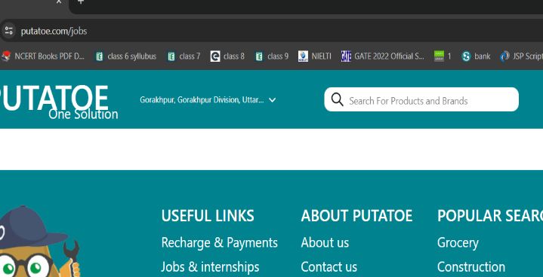
TC_007 | TS_001 | Validate user is able to navigate to 'blog' page without login or without having account | 1. Open the application URL(https://www.putatoe.com) in supported browser 2. Application has been connected to relevant database 3. Home page has been opened 4. User does not have account yet | 1. Go to Home page 2. Click on 'Blog icon' OR click on 'BLOGS' link - (verify expected result ER1, ER2) 3. Click on application logo from blog page - (verify ER3) | Not Applicable | ER1. User should redirected to blog page ER2. Blogs display properly ER3. User should redirected to Home page | Blogs are not gets loadded on laptop screen and only loading screen is display | P0 | Fail | putatoe.com_BugID_04
TC_008 | TS_001 | Validate search box is enabled or not on Home page | 1. Open the application URL(https://www.putatoe.com) in supported browser 2. Application has been connected to relevant database 3. Home page has been opened 4. User does not have account yet | 1. Go to Home page 2. Go to search box 3. Check search box is enabled - (verify ER1 ) | Random search text : cold drink | ER1. search box should be enabled | ER1. search box has been enabled | P0 | Pass
TC_009 | TS_001 | Validate Login form display on Home page | 1. Open the application URL(https://www.putatoe.com) in supported browser 2. Application has been connected to relevant database 3. Home page has been opened 4. User does not have account yet | 1. Go to Home page 2. Click on Login button - (verify ER1, ER2 ) 3. Check input fields are enabled - (verify ER3) | Not Applicable | ER1. Login form should display at left side of current page ER2. Login form should have below fields : Mobile Number or Username field Password field ER3. input fields should be enabled | ER1. Login form got displayed at left side of current page ER2. Login form have below fields : Mobile Number or Username field Password field ER3. input fields are enabled | P0 | Pass

